FECRT Calculator
 |  |  | VISIT THE TRIDECTIN PORTAL | ABOUT TRIDECTIN | WHY TRIDECTIN | CONTACT US

 | Welcome to the Tridectin "How to Get Cleaner Pastures" Calculator

 | Have you just checked the drench efficacy in your region using this Tridectin portal? Are you now wondering what the actual impact on your property is? Based on the drench efficacy in %, this calculator shows you how many resistant eggs will be left behind on your pastures. The % drench efficacy might sometimes only differ slightly (e.g. 6%), but this has an enormous impact on the amount of eggs deposited on your pasture. (e.g. 4x more resistant eggs left behind). Effective drenches (>95% efficacy) are leaving less worms behind. This means cleaner pastures and less infection pressure for your animals. |  |  | 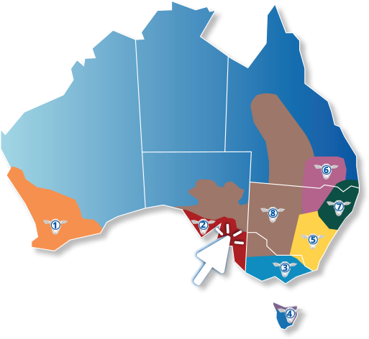

 | INSTRUCTIONS |  |  |  | ENTER DATA BELOW | TIPS | How are the numbers calculated?
STEP 1 | Enter the average worm egg counts (eggs per gram) of your control group of your last FECRT. | Worm egg count (eggs per gram) |  |  | 1200 | No data? That's okay, the average worm egg count per number on an Australian farm is... | Example: Worm egg count: 1200 eggs per gram 40kg body weight / animal (weaner) 2.8kg faecal production / animal / day 3 360 000 eggs produced / animal / day Triguard efficacy: 93% (7% of resistant worms still deposited on pasture) = 235 200 resistant eggs left behind (per animal) on pasture after Triguard-drenching x250 animals (mob size) = 58 800 000 resistant eggs deposited by the entire mob after drenching!!
STEP 2 | Choose your mob size | Mob size |  |  | 250
STEP 3 | Enter the average weight / animal (kg). (This will be used to calculate the average faecal production per animal and subsequently the number of eggs deposited per animal per day). | Average weight per animal (kg) |  |  | 70 | Did you know that underestimating your sheep weights can have bad impact on drench efficacy? Use scales to weigh 5-10% of your mob and choose the drench dose based on your heaviest animal.
STEP 4 | Select the drenches, which you have tested on your property | Tridectin | Triguard | Q-Drench | Abamectin | Select or type in your drench used
STEP 5 | Enter the average efficacy (%) of the drenches tested. | 98.0% | 93.0% | 92.0% | 58.0% | If you haven't done an FECRT recently, find out the average efficacy of the drench at portal.tridectin.com.au

 | RESULTS | Tridectin | Triguard | Q-Drench | Abamectin | WHAT DOES IT MEAN?
 | Number of resistant eggs produced per day after drenching | 16,800,000 | 58,800,000 | 67,200,000 | 352,800,000 | The system calculates the number of resistant eggs daily deposited on your pasture by the entire mob after drenching.
 | Factor (x times more eggs) |  | 3.5 | 4.0 | 21.0 | This shows you how much more resistant eggs will be left behind on your pasture, if you choose a less effective drench.
 | Extra eggs on pasture/day |  | 42,000,000 | 50,400,000 | 336,000,000 | This is the additional amount of eggs left behind on your pasture using a less effective drench.

